ITP-022
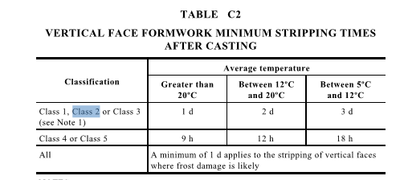
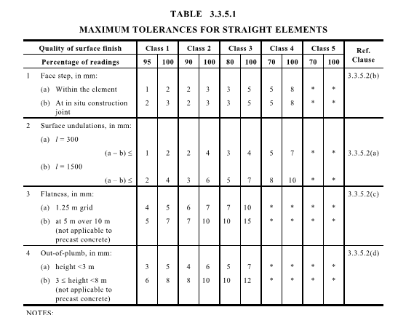
 |  |  | Inspection and Test Plan - Control and Supervision of the Works |  |  |  |  |  |  |  | Document # GT4-ITP-013
 |  |  |  |  |  |  |  |  |  |  | Revision : 0 | Date: 27/07/2023

Client: |  | Hobart International Airport Pty Ltd |  | Construction Process: |  | Prepared by: |  | Reviewed by : |  |  | Approved by :
Project: |  | Project Mercury Early Works At Hobart International Airport |  | Precast Installation |  | Name: | Dave hart | Name: | Tristan Black |  | Name:
Contract No: |  | MER-EW-001 |  | Specifications: Hobart Airport Project Mercury Early Works Civil Specification
 |  |  |  | Structure / Component: In-Situ Pits |  | Signed : |  | Signed : |  |  | Signed :
 |  |  |  | Location: Hobart International Airport |  | Date : | 2023-07-05 | Date : | 2023-07-27 |  | Date :

Item | Task/Activity Description |  | Inspection / Controls and Verification Detail |  |  |  |  | HP/ WP/ AP/ IP/ TP/ SCP | Responsibility | Checked by:
No. |  |  | Frequency | Acceptance Criteria | Reference Documents | Inspection / Test Method | Record of conformity |  | Project Engineer Site Engineer Superintendent Surveyor Foreman | QAV | Fulton Hogan | Date
1 | Preliminary Works
1.1 | Check that current revision drawings are being used |  | Prior to Commencing Work | Issued For Construction (IFC) and latest available revision used | IFC Project Drawings/ Drawing Register | Document review | Latest revision IFC drawings ITP signed | HP* | Site Engineer | N/A
1.2 | Implementation of all measures and controls |  | Prior to commencing any activity | All necessary measures and controls are being implemented, that is: PSP, EMP, TMP, SWMS & WP | OHSMP, EMP, TMS, SWMS, WP | Visual Inspection | This ITP Signed | HP* | Site Engineer | N/A
2 | Material Conformance
2.1 | Materials & source Approval - In-Situ Pits |  | Prior to works commencing 1 per delivery | Precast item resources and bedding specified or as shown on the Drawings. | Work Procedure | Visual Inspection | Receival inspection checklist | IP | Site Engineer | N/A
2.2 | Materials & source Approval - Pit Covers |  | Prior to works commencing 1 per delivery | Pit covers shall be either cast iron, precast concrete covers or gratings as per drawings and shall be constructed and fixed to pits in accordance with relevant Tasmanian Standard Drawings | EW-CE-DRW-526-001 - Pit Schedule C.5.16 | Visual Inspection | Receival inspection checklist | IP | Site Engineer | N/A
2.3 | Source In-situ Pit Material |  | Each Lot | Concrete shall be at minimum 28-day strength, F’c of 32 MPa and when placed shall be well rammed to ensure thorough consolidation. | C.5.15 | Verify | Mix Design | IP | Site Engineer | N/A
3 | Installation
3.1 | Bedding |  | Each Lot | Foundation and/or bedding as per drawings and specifications | EW-CE-DRW-526-001 C.5.15 | Inspection | This ITP signed | HP* | Site Engineer
3.2 | Installation of Precast Element |  | Each Lot | Precast element level and position confirm with the the deisgn drawings and specifications | Work Procedure | Verify | This ITP signed | IP | Site Engineer | N/A
4 | Cast Insitu Lids/Frames
4.1 | Formwork |  | Each Lot | Pit lids / surrounds shall be constructed to the detail shown on the drawings | EW-CE-DRW-526-001 | Inspection | Concrete pour record and delivery docket | HP* | Site Engineer | N/A
4.2 | Reinforcing |  | Each Lot | Checks - Position and spacing check - Cover checked - Reinforcing supports checked - Laps at required length | Work Procedure | Verify | Completion of prepour inspection checklist | IP | Site Engineer | N/A
4.3 | Concrete Pour |  | Each Lot | Precast concrete cover or cast iron concrete infill as specified | EW-CE-DRW-526-001 AS 3996 | Verify | This ITP Signed | IP | Site Engineer | N/A
5 | Post Pour Details and Inspections
5.1 | Allowable Tolerances Level & Alignment |  | Each Lot | The horizontal deviation of any piped or box culverted drain shall not exceed 25mm from the true alignment. There shall be no obvious sharp changes of direction. The maximum deviation from grade shall not exceed + or - 10mm for grades flatter than 1 in 500 and + or - 20mm for grades steeper than 1 in 500. The grade of any piped, box culverted, or open drain shall not exceed + or - 5% for grades flatter than 1 in 500 and + or - 10% for grades steeper than 1 in 500. Invert levels at structures shall not exceed + or - 10mm from the design invert. As-built survey completed for lot | Work Procedure | Verify | This ITP Signed | SCP | Site Engineer | N/A
5.2 | Backfilling Around Pits |  | Each Lot | Backfilling to match pavement design and to occur min. 72 hours post concrete pour. | Work Procedure | Inspection | This ITP Signed | HP* | Site Engineer | N/A

 | Final Inspection
 | The signature below verifies that this ITP has been completed in accordance with the FH’s Quality system Procedures and verifies lot compliance with specifications.
 | Print Name: |  | Position: |  | Signature: |  |  |  |  | Date: / /

Legend
HP | Hold Point | Work shall not proceed past the HP until released by the Superintendent |  |  | IP | Inspection point |  | Formal Inspection to be done and recorded
HP* | FH Hold Point | Work shall not proceed past the HP* until released by FH |  |  | TP | Test Point |  | Product compliance test to be undertaken and recorded/reported
AP | Approval Point | Written or verbal approval given by the Superintendent |  |  | SCP | Survey conformance point |  | A qualified surveyor to check product/section/structure and report
WP | Witness Point | An inspection which must be witnessed by the Superintendent |  |  | WP* | Fulton Hogan Witness Point |  | An inspection which must be witnessed by Fulton Hogan Representative

